Hiearchy View
Class: EMERGENCY POWER OFF
a safety measure for quickly disconnecting electrical power to a particular piece of equipment, or to an entire facility, in the event of an emergency. | 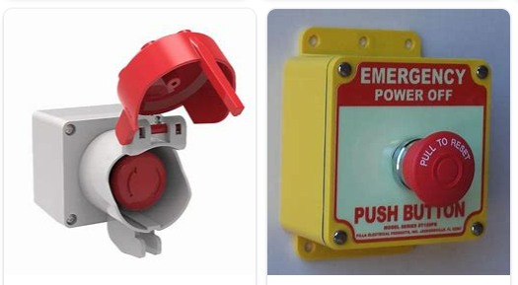
REMOVE | N

PROBLEM_DESC | CAUSE_DESC | REMEDY_DESC
ALARM/SENSOR
BROKEN/DAMAGED
LEAKING
LIGHTING
NOISE
OTHER PROBLEM
OVERHEATING
PESTS
POWER-ELEC
PRESSURE
SMELL
STOPPED/SLOWED/POOR OPS
TEMP-CTRL
VIBRATION
Grand Total

